Instructions
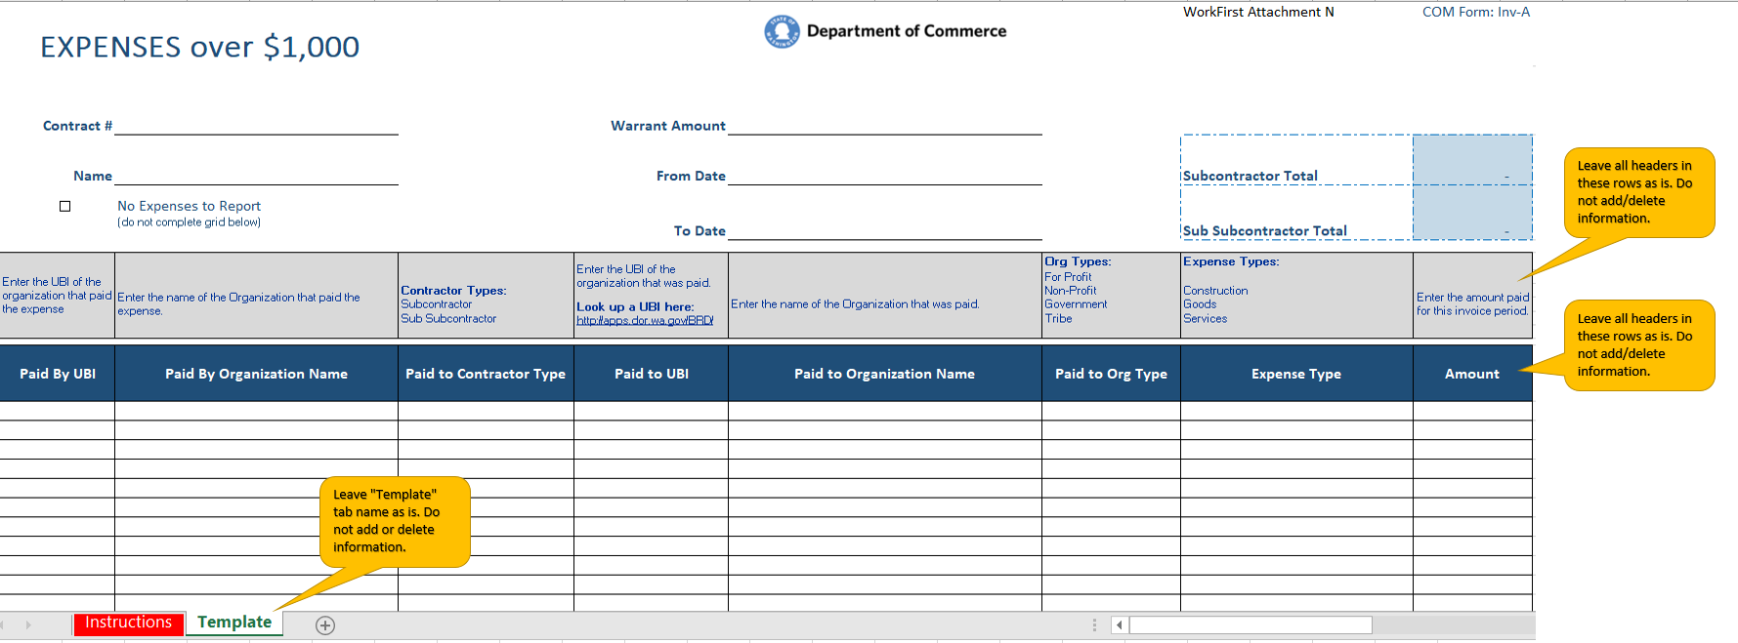
NOTE: This form will be used to report WorkFirst monies earned through payment points that are spent on reportable expenditures of $1,000 or more.

Participant support services are not reported on this form.

